HOUR()
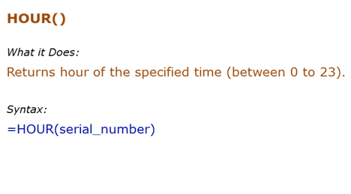
Data Used in Formula
0:00:00
15:00:00
3:00:00
41699.125

Formula | Result | Description
=HOUR(B3) | 0 | Returns the hour number of the time (12:00 AM is 0 as it is beginning of the day)
=HOUR(B4) | 15 | Returns the hour number of the time (3:00 PM is 15th hour of the day)
=HOUR(B5) | 3 | Returns the hour number of the time. If AM/PM is not mentioned, Excel takes this as AM

MINUTE()
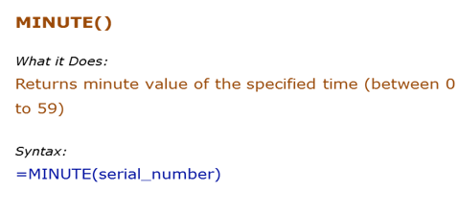
Data Used in Formula
0:00:00
15:30:00
3:20:00
41699.41

Formula | Result | Description
=MINUTE(B3) | 0 | Returns the minute number of the time (12:00 AM is 0 minutes as it is beginning of the hour)
=MINUTE(B4) | 30 | Returns the minute number of the time (3:30 PM is 30 minutes of the 15th hour of the day)
=MINUTE(B5) | 20 | Returns the minute number of the time

DATE()
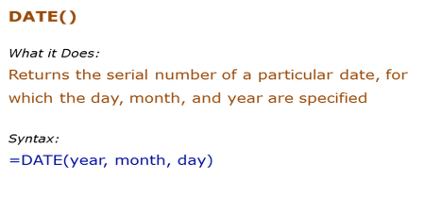
Data Used in Formula
Year | Month | Day
2014 | 3 | 1

Formula | Result | Description
=DATE(B4,C4,D4) | 41699 | Returns the date's serial number as General number format is set
=DATE(B4,C4,D4) | 2014-03-01 | Returns the date's serial number but display as a date as the date number format is set
=DATE(1900+114,3,1) | 2014-03-01 | If you only put 2 digits of year (14 instead of 2014), Excel interprets it as 1914. For 2014, you will have to use 114 (1900+114). It is best to always use four digit year to avoid confusion. Excel returns an error if year value is less than 0 or greater than 10000
=DATE(B4,C4-1,D4) | 2014-02-01 | If month is -1, excel goes back by 1 month in the previous year and return its date
=DATE(B4,13,D4) | 2015-01-01 | If month is 13, excel goes ahead by 1 month in the next year and return its date
=DATE(B4,C4,D4-10) | 2014-02-19 | If day is -10, excel goes back by 10 days in the previous month and return its date
=DATE(B4,C4,41) | 2014-04-10 | If day is 41 (in the month of 31 days), excel goes ahead by 10 days in the next month and return its date
=DATE(B4,C4,D4+10) | 2014-03-11 | Since DATE function returns a serial number, you can add/subtract days to it. Here 10 days are added to the serial number returned by DATE function

TODAY()
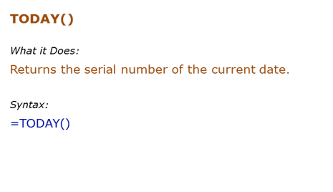
Data Used in Formula
10

Formula | Result | Description
=TODAY() | 2025-03-26 | Returns today's date
=TODAY()+10 | 2025-04-05 | Returns today's date and add 10 days to it
=DAY(TODAY()) | 26 | Return's today's day number
=MONTH(TODAY()) | 3 | Return's today's month number
=YEAR(TODAY()) | 2025 | Return's today's year number

NOW()
Data Used in Formula
10
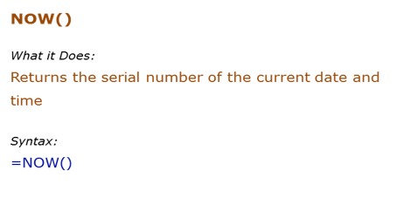
Formula | Result | Description
=NOW() | 3/26/2025 | Returns the serial number of the current date and time
=NOW()+10 | 4/5/25 | Since NOW function returns a serial number, it can be used in calculation. Here 10 is added, so 10 days are added to current date

WEEKDAY()
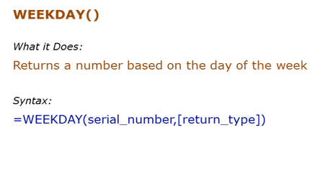
Data Used in Formula
2014-03-01
01-Mar-2014

Formula | Result | Description
=WEEKDAY(B3) | 7 | 01/03/2014 is a Saturday. Excel by default considers it as the 7th day of the week
=WEEKDAY(B3,2) | 6 | 01/03/2014 is a Saturday. Return_type as 2 specifies Monday as 1 and Sunday as 7. Hence this returns 6 for Saturday

NETWORKDAYS()
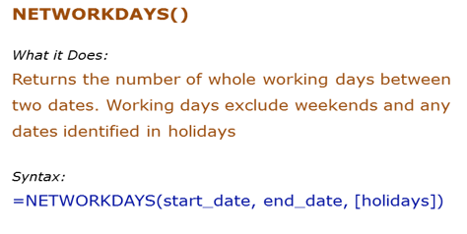
Data Used in Formula
Start Date | End Date | Holidays
2014-03-01 | 2014-06-09 | 2014-03-03
 |  | 2014-03-21
 |  | 2014-05-13

Formula | Result | Description
=NETWORKDAYS(B4,C4) | 71 | NETWORKDAY uses the start date and end date and returns the total working days. This does not includes weekends (Saturday and Sunday)
=NETWORKDAYS(B4,C4,D4:D6) | 68 | NETWORKDAY uses the start date and end date and returns the total working days. This does not includes weekends (Saturday and Sunday) and the specified holidays (d4:d6)

